Decision Tree Terminology
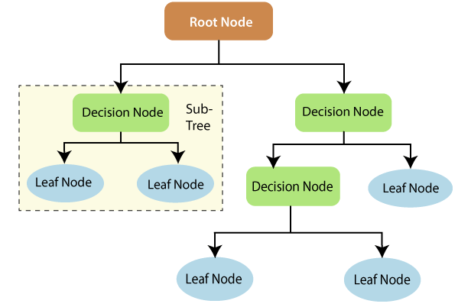
DECISION TREE CLASSIFEIR/ REGRESSOR TERMINOLOGY

Decision Tree Hyper Parameter
 | DECISION TREE HYPER PARAMETER

 | Hyper Parameters For Decision Tree Creation -->

 | Hyper Parameters For Decision Tree Creation --> 1. Feature_names :-->Preceding Decision Tree various feature are assigned with numerical column index like 2 column starting from 0,1,2 is Flipper Length mm so by assigning parameter -->Feature_names basically it is assigning names of various features in decision tree. 2.Filled=True :--> Basically it will Colour them based the what feature is considered. By default it is None .

 | Hyper Parameter for Decision Tree Regulation

 | →1.(Max_Depth)-->Max_depth = 2, How many level of Splits allowed in here Basically in other words creating We have created 2 level of split in whole decision tree. The maximum depth of the tree. If None, then nodes are expanded until all leaves are pure or until all leaves contain less than min_samples_split samples. So in Other Word if Max Depth is None then Decision tree will be very Long & Nodes are expanded until we doesn't reach it's terminal leaf.

 | →2.(Max_leaf_nodes)--> max_leaf_nodes=Basically it means max number of Terminal nodes (Basically in other words if we max_leaf_nodes set to 3 then it means only 3 Terminal nodes will be reckoned.Grow a tree with ``max_leaf_nodes`` in best-first fashion. Best nodes are defined as relative reduction in impurity.If None then unlimited number of leaf nodes.

 | →3.Criterion-->Criterion = Entropy/Gini ( By default it's Gini Impurity) ,Gini index and entropy is the criterion for calculating information gain. Decision tree algorithms use information gain to split a node. Both gini and entropy are measures of impurity of a node. A node having multiple classes is impure whereas a node having only one class is pure.criterion : {"gini", "entropy"}, default="gini" The function to measure the quality of a split. Supported criteria are "gini" for the Gini impurity and "entropy" for the information gain.

 | 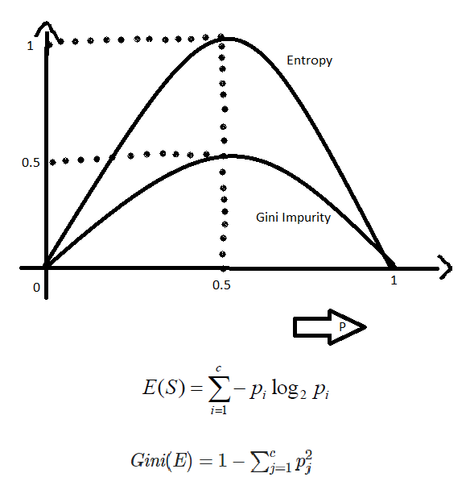

 | →4.Splitter-->splitter : {"best", "random"}, default="best" The strategy used to choose the split at each node. Supported strategies are "best" to choose the best split and "random" to choose the best random split. The splitter is used to decide which feature and which threshold is used. Using best, the model if taking the feature with the highest importance.Using random, the model if taking the feature randomly but with the same distribution (in gini, proline have an importance of 38% so it will be taken in 38% of cases).

 | →5.min_samples_split --> So basically min_sample_split is the minimum no. of sample required for a split. For instance, if min_samp+C20le_split = 6 and there are 4 samples in the node, then the split will not happen (regardless of entropy).

 | →6. min_sample_leaf -->on the other hand is basically the minimum no. of sample required to be a leaf node or Terminal Node. For example, if a node contains 5 samples, it can be split into two leaf nodes of size 2 and 3 respectively. Now suppose you have min_sample_leaf = 3, then the split will not occur, because the minimum leaf size if 3, and you can't have a new node with only 2 samples.

 | →7.max_features-->Max_feature is the number of features to consider each time to make the split decision. Let us say the dimension of your data is 50 and the max_feature is 10, each time you need to find the split, you randomly select 10 features and use them to decide which one of the 10 is the best feature to use. When you go to the next node you will select randomly another 10 and so on.This mechanism is used to control overfitting. In fact, it is similar to the technique used in random forest, except in random forest we start with sampling also from the data and we generate multiple trees.So even if you set the number to 10, if you go deep you will end up using all the features, but each time you limit the set to 10.

 | →8.min_impurity_decrease-->The definition of min_impurity_decrease in sklearn is -->A node will be split if this split induces a decrease of the impurity greater than or equal to this value.Means if min_impurity_decrease --> 0.2 then any gini above 0.2 can b splitted further but less than 0.2 value can't splitted.That;s what we can see in given upcming coding cell.

FEATURE IMPORTANCE | →9.Feature Importance -->Feature Importance refers to techniques that calculate a score for all the input features for a given model — the scores simply represent the “importance” of each feature. A higher score means that the specific feature will have a larger effect on the model that is being used to predict a certain variable. Q. What is feature importance used for? Sol -->Feature importance refers to a class of techniques for assigning scores to input features to a predictive model that indicates the relative importance of each feature when making a prediction.

 | USAGE-->Basically Feature Importance is used in those types of models which are based on Decision Trees in Machine Learning > Decision Trees > Random Forest > Boosting →REFERENCE--> https://towardsdatascience.com/understanding-feature-importance-and-how-to-implement-it-in-python-ff0287b20285 →REFERENCE (Scikit) --> https://scikit-learn.org/stable/auto_examples/ensemble/plot_forest_importances.html

 |  | s

 | 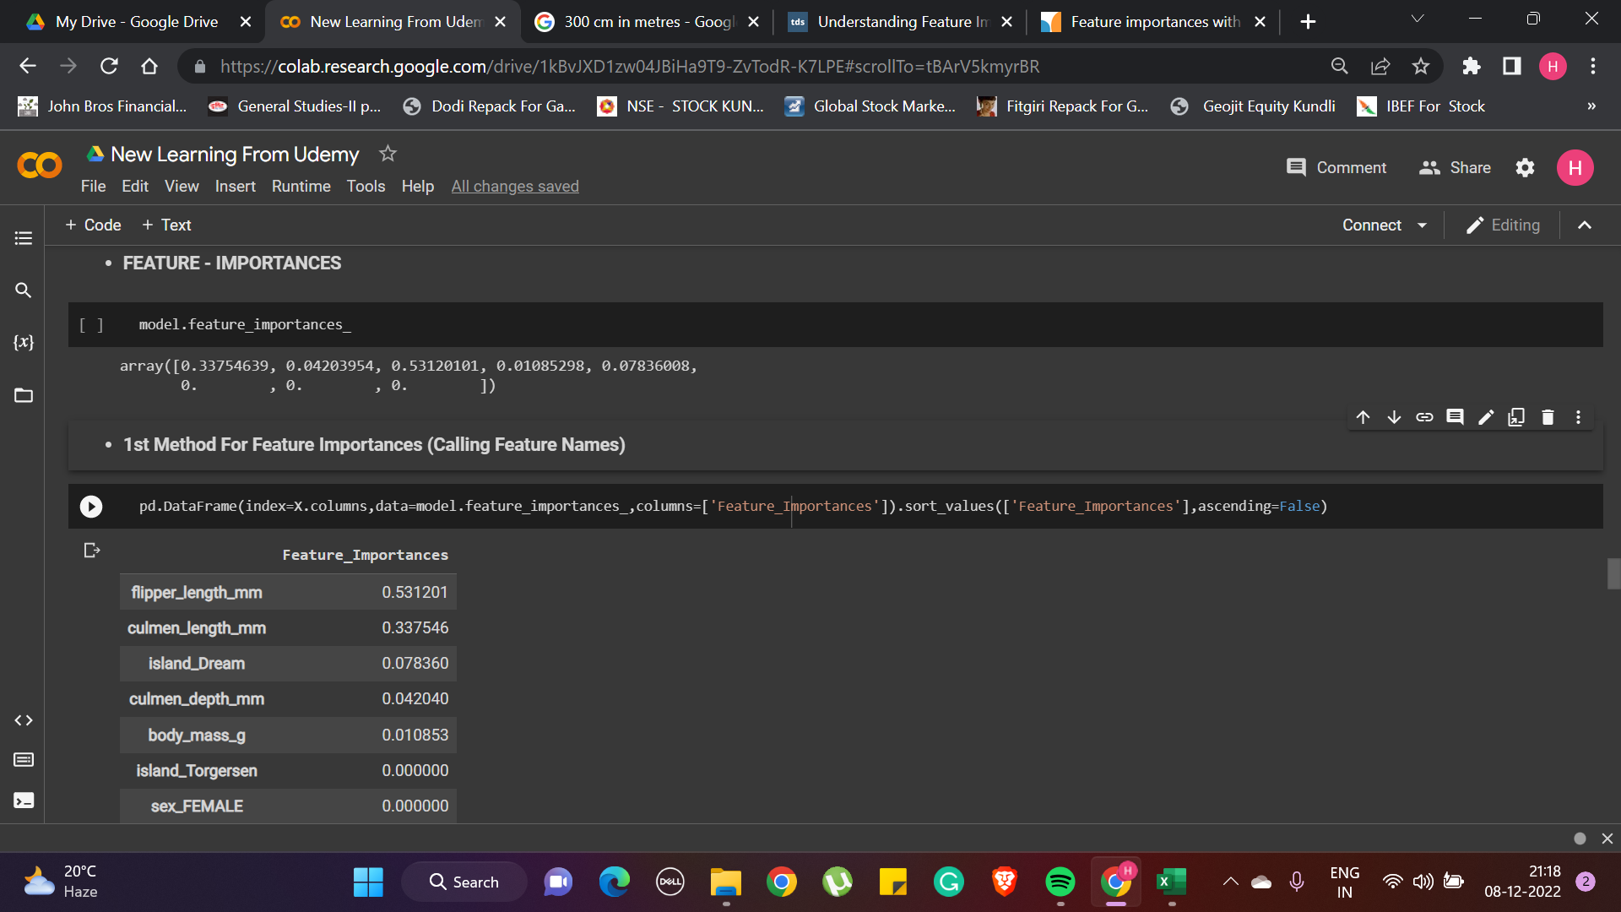 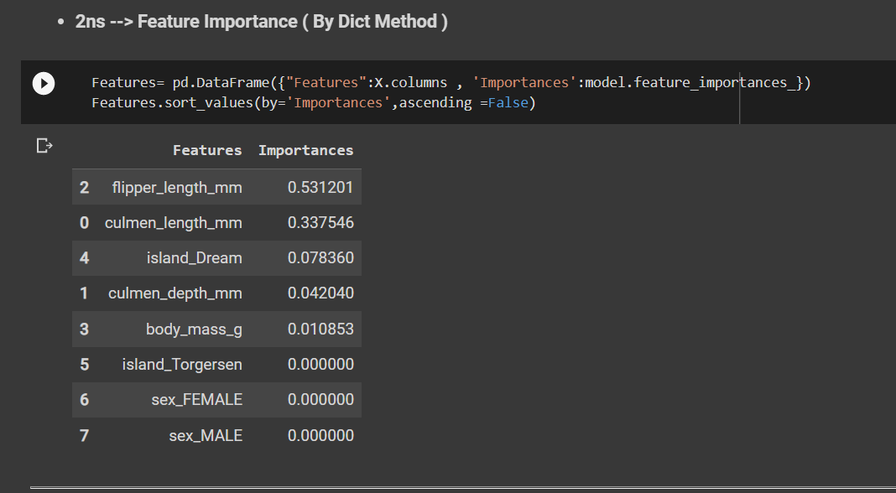 >Practical Implementation in Google Colab (New Learning From Udemy) →Reference-->https://colab.research.google.com/drive/1kBvJXD1zw04JBiHa9T9-ZvTodR-K7LPE#scrollTo=2va4Kldyx3MZ

